Ventris User Controls
Spectrum Filter User Control List |  |  |  |  |  |  |  |  | List Values - Note some values are not in sequential order!
Control Name | XML Param Name | Friendly Name | User Control Number | Min Value | Max Value | Default Value | UI Control Type | Comment | Distortion Type |  | Filter types |  | Envelope Types |  | LFO Shapes |  | LFO 2 Sync |  | Tap Tempo Beat Divisions |  | Pitch Detect Low Note |  | Pitch Detect High Note |  | Knob Assigments |  | External Control Assignments
UC_SPECTRUM_INPUT1_GAIN | input1_gain | Input 1 Gain | 0 | 0 | 254 | 20 | slider |  | value | name | value | name | value | name | value | name | value | name | value | name | index | name | value | name | value | name | value | name
UC_SPECTRUM_INPUT2_GAIN | input2_gain | Input 2 Gain | 1 | 0 | 254 | 20 | slider |  | 0 | Mild | 0 | 3 Parallel Low-Pass | 1 | Fast Attack, Adjust Decay | 0 | Sine | 0 | LFO 2 = LFO 1 | 0 | Whole | 0 | G2 | 0 | E6 (Guitar with 24 Frets) | 0 | Input 1 Gain | 0 | Input 1 Gain
UC_SPECTRUM_MASTER_DEPTH | master_depth | Master Depth | 2 | 0 | 254 | 254 | slider |  | 1 | Moderate | 1 | 6 Pole Low-Pass | 13 | Fastest Attack, Adjust Decay | 1 | Pluck | 1 | LFO 2 = 2x LFO 1 | 1 | Half | 1 | F#2 | 1 | D#6 | 1 | Input 2 Gain | 1 | Input 2 Gain
UC_SPECTRUM_MOD_SOURCE | mod_source | Modulation Source | 3 | 0 | 254 | 0 | slider |  | 2 | Heavy and Bassy | 2 | 2 Pole Low-Pass | 2 | Wide Range 1, Adjust Attack/Decay | 2 | Square | 2 | LFO 2 = 3x LFO 1 | 2 | Quarter | 2 | F2 | 2 | D6 (Guitar with 22 Frets) | 2 | Master Depth | 2 | Master Depth
UC_SPECTRUM_BASS | bass | Bass | 4 | 0 | 254 | 127 | slider |  | 3 | Sample Reducer | 3 | Notch, Low-Pass, Peak | 4 | Wide Range 2, Faster Decay | 3 | Rising Saw | 3 | LFO 2 = 4x LFO 1 | 3 | Eighth | 3 | E2 (6-String Guitar) | 3 | C#6 | 3 | Mod Source | 3 | Mod Source
UC_SPECTRUM_TREBLE | treble | Treble | 5 | 0 | 254 | 127 | slider |  | 4 | Octave Fuzz | 4 | Notch, Notch, Low-Pass | 5 | Snappy | 4 | Falling Saw | 4 | LFO 2 = 5x LFO 1 | 4 | Triplet | 4 | D#2 | 4 | C6 | 4 | Bass | 4 | Bass
UC_SPECTRUM_MIX | mix | Wet/Dry Mix | 6 | 0 | 254 | 254 | slider |  | 5 | Gated Fuzz | 5 | Peak, Notch, Low-Pass | 3 | Swell | 5 | Triangle | 5 | LFO 2 = 6x LFO 1 | 5 | Sixteenth | 5 | D2 | 5 | B5 | 5 | Treble | 5 | Treble
UC_SPECTRUM_LO_RETAIN | lo_retain | Lo-Retain | 7 | 0 | 254 | 0 | slider |  | 6 | Foldover Light | 6 | Low-Pass, Peak, Peak | 0 | ADSR 1 Adjust Attack/Decay | 6 | Sample & Hold | 6 | LFO 2 = 7x LFO 1 |  |  |  | C#2 | 6 | A#5 | 6 | Mix | 6 | Mix
UC_SPECTRUM_OUTPUT | output | Output Level | 8 | 0 | 254 | 127 | slider |  | 7 | Foldover Heavy | 7 | 2 Parallel Low-Pass | 6 | ADSR 2 Fast Attack, Adjust Decay | 7 | 4 Step | 7 | LFO 2 = 8x LFO 1 |  |  |  | C2 | 7 | A5 | 7 | Output | 7 | Output
UC_SPECTRUM_OUTPUT_BALANCE | output_balance | Output Balance | 9 | 0 | 254 | 127 | slider |  | 8 | Double Foldover | 8 | 4 Pole Low-Pass | 7 | ADSR 3 Adjust Attack/Decay | 8 | 4 Step + S&H | 8 | LFO 2 = 16x LFO 1 |  |  |  | B1 (7-String Guitar) | 8 | G#5 | 8 | Output Balance | 8 | Output Balance
UC_SPECTRUM_VOICE1_LEVEL | voice1_level | Voice 1 Level | 10 | 0 | 254 | 127 | slider |  | 9 | Double Octave Fuzz | 9 | Low-Pass, Peak | 8 | ADSR 4 | 9 | Sine + S&H | 9 | LFO 2 = 32x LFO 1 |  |  |  | A#1 | 9 | G5 | 9 | Voice 1 Level | 9 | Voice 1 Level
UC_SPECTRUM_VOICE1_PAN | voice1_pan | Voice 1 Processor Pan | 11 | 0 | 254 | 0 | slider |  | 10 | Triple Fold | 10 | 4 Pole Low-Pass, Peak | 9 | ADSR 5 | 10 | Sine Rise Skew | 10 | LFO 2 = 64x LFO 1 |  |  |  | A1 | 10 | F#5 | 10 | Voice 1 Pan | 10 | Voice 1 Pan
UC_SPECTRUM_VOICE1_SOURCE | voice1_source | Voice 1 Source | 17 | 0 | 12 | 11 | dropdown | 11 = Mono Input 1, 12 = Mono Input 2, 0 = Stereo Input | 11 | Single Clip | 11 | Peak, 4 Pole Low-Pass | 10 | ADSR 6 Slow Attack, Fast Decay | 11 | Sine Fall Skew |  |  |  |  |  | G#1 | 11 | F5 | 13 | Voice 2 Level | 13 | Voice 2 Level
UC_SPECTRUM_VOICE1_DESTINATION | voice1_destination | Voice 1 Destination | 19 | 0 | 2 | 0 | dropdown | 0 = Distortion + Filter, 1 = Filter Only, 2 = Direct Output | 12 | Max Foldover | 12 | Bandpass 1 |  |  | 12 | Triangle Rise Skew |  |  |  |  |  | G1 | 12 | E5 | 14 | Voice 2 Pan | 14 | Voice 2 Pan
UC_SPECTRUM_VOICE1_ENABLE | voice1_enable | Voice 1 Enable | 22 | 0 | 1 | 1 | switch | 0 = Off, 1 = On |  |  | 13 | Peak |  |  | 13 | Triangle Fall Skew |  |  |  |  |  | F#1 | 13 | D#5 | 17 | Octave 1 Level | 17 | Octave 1 Level
UC_SPECTRUM_VOICE2_LEVEL | voice2_level | Voice 2 Level | 23 | 0 | 254 | 127 | slider |  |  |  | 14 | Triple Peak 1 |  |  |  |  |  |  |  |  |  | F1 | 14 | D5 | 18 | Octave 1 Pan | 18 | Octave 1 Pan
UC_SPECTRUM_VOICE2_PAN | voice2_pan | Voice 2 Processor Pan | 24 | 0 | 254 | 0 | slider |  |  |  | 15 | Triple Peak 2 |  |  |  |  |  |  |  |  |  | E1 (4-String Bass) | 15 | C#5 | 21 | Octave 2 Level | 21 | Octave 2 Level
UC_SPECTRUM_VOICE2_SOURCE | voice2_source | Voice 2 Source | 30 | 0 | 12 | 11 | dropdown | 11 = Mono Input 1, 12 = Mono Input 2, 0 = Stereo Input |  |  | 16 | Triple Peak 3 |  |  |  |  |  |  |  |  |  | D#1 | 16 | C5 | 22 | Octave 2 Pan | 22 | Octave 2 Pan
UC_SPECTRUM_VOICE2_DESTINATION | voice2_destination | Voice 2 Destination | 32 | 0 | 2 | 0 | dropdown | 0 = Distortion + Filter, 1 = Filter Only, 2 = Direct Output |  |  | 17 | Triple Peak 4 |  |  |  |  |  |  |  |  |  | D1 | 17 | B4 | 25 | Drive | 25 | Drive
UC_SPECTRUM_VOICE2_ENABLE | voice3_enable | Voice 3 Enable | 35 | 0 | 1 | 0 | switch | 0 = Off, 1 = On |  |  | 18 | Peak, Notch, Peak |  |  |  |  |  |  |  |  |  | C#1 | 18 | A#4 | 26 | Distortion Mix | 26 | Distortion Mix
UC_SPECTRUM_VOICE3_LEVEL | voice3_level | Voice 3 Level | 36 | 0 | 254 | 127 | slider |  |  |  | 19 | Notch, Peak, Notch |  |  |  |  |  |  |  |  |  | C1 | 19 | A4 | 27 | Distortion Output | 27 | Distortion Output
UC_SPECTRUM_VOICE3_PAN | voice3_pan | Voice 3 Processor Pan | 37 | 0 | 254 | 0 | slider |  |  |  | 20 | 2-Stage Phaser |  |  |  |  |  |  |  |  |  | B0 (5-String Bass) | 20 | G#4 | 28 | Filter 1 Depth | 28 | Filter 1 Depth
UC_SPECTRUM_VOICE3_INTERVAL_OCTAVE | voice3_octave | Voice 3 Octave | 40 | 0 | 6 | 3 | dropdown | *Special case! See code snippets below |  |  | 21 | 3-Stage Phaser |  |  |  |  |  |  |  |  |  |  | 21 | G4 (Bass with 24 Frets) | 29 | Filter 1 Frequency | 29 | Filter 1 Frequency
UC_SPECTRUM_VOICE3_SOURCE | voice3_source | Voice 3 Source | 43 | 0 | 12 | 11 | dropdown | multiple user controls are written from the voice dropdown control |  |  | 22 | 1-Stage Phaser |  |  |  |  |  |  |  |  |  |  | 22 | F#4 | 30 | Filter 1 Q | 30 | Filter 1 Q
UC_SPECTRUM_VOICE3_ENVELOPE | voice3_envelope | Voice 3 Envelope | 44 | 0 | 2 | 0 | dropdown |  |  |  | 23 | High-Pass |  |  |  |  |  |  |  |  |  |  | 23 | F4 | 31 | Filter 2 Depth | 31 | Filter 2 Depth
UC_SPECTRUM_VOICE3_DESTINATION | voice3_destination | Voice 3 Destination | 45 | 0 | 2 | 0 | dropdown | 0 = Distortion + Filter, 1 = Filter Only, 2 = Direct Output |  |  | 24 | High-Pass, Peak |  |  |  |  |  |  |  |  |  |  | 24 | E4 | 32 | Filter 2 Frequency | 32 | Filter 2 Frequency
UC_SPECTRUM_VOICE3_ENABLE | voice3_enable | Voice 3 Enable | 48 | 0 | 1 | 0 | switch |  |  |  | 25 | Classic Wah |  |  |  |  |  |  |  |  |  |  | 25 | D#4 (Bass with 20 Frets) | 33 | Filter 2 Q | 33 | Filter 2 Q
UC_SPECTRUM_VOICE4_LEVEL | voice4_level | Voice 4 Level | 49 | 0 | 254 | 127 | slider |  |  |  | 26 | Bandpass 2 |  |  |  |  |  |  |  |  |  |  | 26 | D4 | 34 | Envelope 1 Sensitivity | 34 | Envelope 1 Sensitivity
UC_SPECTRUM_VOICE4_PAN | voice4_pan | Voice 4 Processor Pan | 50 | 0 | 254 | 0 | slider |  |  |  | 27 | Double Peak |  |  |  |  |  |  |  |  |  |  | 27 | C#4 | 35 | Envelope 1 Speed | 35 | Envelope 1 Speed
UC_SPECTRUM_VOICE4_INTERVAL_OCTAVE | voice4_octave | Voice 4 Octave | 53 | 0 | 6 | 3 | dropdown | *Special case! See code snippets below |  |  | 28 | 6 Pole All-Pass |  |  |  |  |  |  |  |  |  |  | 28 | C4 | 36 | Envelope 1 Gate | 36 | Envelope 1 Gate
UC_SPECTRUM_VOICE4_SOURCE | voice4_source | Voice 4 Source | 56 | 0 | 12 | 11 | dropdown | multiple user controls are written from the voice dropdown control |  |  |  |  |  |  |  |  |  |  |  |  |  |  | 29 | B3 | 37 | Envelope 2 Sensitivity | 37 | Envelope 2 Sensitivity
UC_SPECTRUM_VOICE4_ENVELOPE | voice4_envelope | Voice 4 Envelope | 57 | 0 | 2 | 0 | dropdown |  |  |  |  |  |  |  |  |  |  |  |  |  |  |  | 30 | A#3 | 38 | Envelope 2 Speed | 38 | Envelope 2 Speed
UC_SPECTRUM_VOICE4_DESTINATION | voice4_destination | Voice 4 Destination | 58 | 0 | 2 | 0 | dropdown | 0 = Distortion + Filter, 1 = Filter Only, 2 = Direct Output |  |  |  |  |  |  |  |  |  |  |  |  |  |  | 31 | A3 | 39 | Envelope 2 Gate | 39 | Envelope 2 Gate
UC_SPECTRUM_VOICE4_ENABLE | voice4_enable | Voice 4 Enable | 61 | 0 | 1 | 0 | switch | 0 = Off, 1 = On |  |  |  |  |  |  |  |  |  |  |  |  |  |  |  |  | 42 | Octave 1 Filter | 42 | Octave 1 Filter
UC_SPECTRUM_DISTORTION_DRIVE | distortion_drive | Distortion - Drive | 62 | 0 | 254 | 127 | slider |  |  |  |  |  |  |  |  |  |  |  |  |  |  |  |  |  | 43 | Octave 2 Filter | 43 | Octave 2 Filter
UC_SPECTRUM_DISTORTION_MIX | distortion_mix | Distortion - Clean Mix | 63 | 0 | 254 | 127 | slider |  |  |  |  |  |  |  |  |  |  |  |  |  |  |  |  |  | 44 | LFO Speed | 44 | LFO Speed
UC_SPECTRUM_DISTORTION_OUTPUT | distortion_output | Distortion - Output | 64 | 0 | 254 | 0 | slider |  |  |  |  |  |  |  |  |  |  |  |  |  |  |  |  |  | 45 | LFO Envelope To Speed | 45 | LFO Envelope To Speed
UC_SPECTRUM_DISTORTION_TYPE | distortion_type | Distortion - Type | 65 | 0 | 12 | 0 | dropdown | See list of distortion types-> |  |  |  |  |  |  |  |  |  |  |  |  |  |  |  |  | 46 | LFO Envelope To Depth | 46 | LFO Envelope To Depth
UC_SPECTRUM_DISTORTION_ENABLE | distortion_enable | Distortion - Enable | 66 | 0 | 1 | 1 | switch |  |  |  |  |  |  |  |  |  |  |  |  |  |  |  |  |  | 47 | LFO 2 Phase Offset | 47 | LFO 2 Phase Offset
UC_SPECTRUM_FILTER1_DEPTH | filter1_depth | Filter 1 Depth | 67 | 0 | 254 | 127 | slider |  |  |  |  |  |  |  |  |  |  |  |  |  |  |  |  |  | 49 | Lo-Retain | 48 | External Modulation
UC_SPECTRUM_FILTER1_FREQ | filter1_frequency | Filter1 Frequency | 68 | 0 | 254 | 127 | slider |  |  |  |  |  |  |  |  |  |  |  |  |  |  |  |  |  | 50 | Filter 1+2 Frequency | 49 | Lo-Retain
UC_SPECTRUM_FILTER1_Q | filter1_q | Filter 1 Q | 69 | 0 | 254 | 127 | slider |  |  |  |  |  |  |  |  |  |  |  |  |  |  |  |  |  | 51 | Filter 1+2 Q
UC_SPECTRUM_FILTER1_TYPE | filter1_type | Filter 1 Type | 70 | 0 | 28 | 2 | dropdown | See list of filter types -> |  |  |  |  |  |  |  |  |  |  |  |  |  |  |  |  | 52 | Envelope 1+2 Speed
UC_SPECTRUM_FILTER1_ENVELOPE | filter1_envelope | Filter 1 Mod Source | 71 | 0 | 1 | 0 | dropdown | 0 = Env/LFO 1, 1 = Env/LFO 2 |  |  |  |  |  |  |  |  |  |  |  |  |  |  |  |  | 53 | Envelope 1+2 Sensitivity
UC_SPECTRUM_FILTER1_INVERT | filter1_invert | Filter 1 Invert | 72 | 0 | 1 | 0 | switch | 0 = Off, 1 = On |  |  |  |  |  |  |  |  |  |  |  |  |  |  |  |  | 54 | Envelope 1+2 Gate
UC_SPECTRUM_FILTER1_ENABLE | filter1_enable | Filter 1 Enable | 73 | 0 | 1 | 1 | switch | 0 = Off, 1 = On
UC_SPECTRUM_FILTER1_PITCH_TRACK | filter1_pitch_track | Filter 1 Pitch Tracking | 74 | 0 | 3 | 0 | dropdown | 0 = Off, 1 = 1/3 Octave, 2 = 2/3 Octave, 3 = 1 Octave
UC_SPECTRUM_FILTER1_MIX_DEST | mix1_destination | Mix 1 Destination | 75 | 0 | 2 | 0 | dropdown | 0 = Output 1, 1 = Output 1 + Output 2, 2 = Output 2
UC_SPECTRUM_FILTER2_DEPTH | filter2_depth | Filter 2 Depth | 76 | 0 | 254 | 127 | slider
UC_SPECTRUM_FILTER2_FREQ | filter2_frequency | Filter 2 Frequency | 77 | 0 | 254 | 127 | slider
UC_SPECTRUM_FILTER2_Q | filter2_q | Filter 2 Q | 78 | 0 | 254 | 127 | slider
UC_SPECTRUM_FILTER2_TYPE | filter2_type | Filter 2 Type | 79 | 0 | 28 | 2 | dropdown | See list of filter types ->
UC_SPECTRUM_FILTER2_ENVELOPE | filter2_envelope | Filter 2 Mod Source | 80 | 0 | 1 | 0 | dropdown | 0 = Env/LFO 1, 1 = Env/LFO 2
UC_SPECTRUM_FILTER2_INVERT | filter2_invert | Filter 2 Invert | 81 | 0 | 1 | 0 | switch | 0 = Off, 1 = On
UC_SPECTRUM_FILTER2_ENABLE | filter2_enable | Filter 2 Enable | 82 | 0 | 1 | 1 | switch | 0 = Off, 1 = On
UC_SPECTRUM_FILTER2_PITCH_TRACK | filter2_pitch_track | Filter 2 Pitch Tracking | 83 | 0 | 3 | 0 | dropdown | 0 = Off, 1 = 1/3 Octave, 2 = 2/3 Octave, 3 = 1 Octave
UC_SPECTRUM_FILTER2_MIX_DEST | mix2_destination | Mix 2 Destination | 84 | 0 | 2 | 0 | dropdown | 0 = Output 1, 1 = Output 1 + Output 2, 2 = Output 2
UC_SPECTRUM_ENVELOPE1_SENSITIVITY | envelope1_sensitivity | Envelope 1 Sensitivity | 85 | 0 | 254 | 127 | slider
UC_SPECTRUM_ENVELOPE1_SPEED | envelope1_speed | Envelope 1 Speed | 86 | 0 | 254 | 127 | slider
UC_SPECTRUM_ENVELOPE1_GATE | envelope1_gate | Envelope 1 Gate | 87 | 0 | 254 | 0 | slider
UC_SPECTRUM_ENVELOPE1_TYPE | envelope1_type | Envelope 1 Type | 88 | 0 | 12 | 1 | dropdown | *see list of envelope types ->
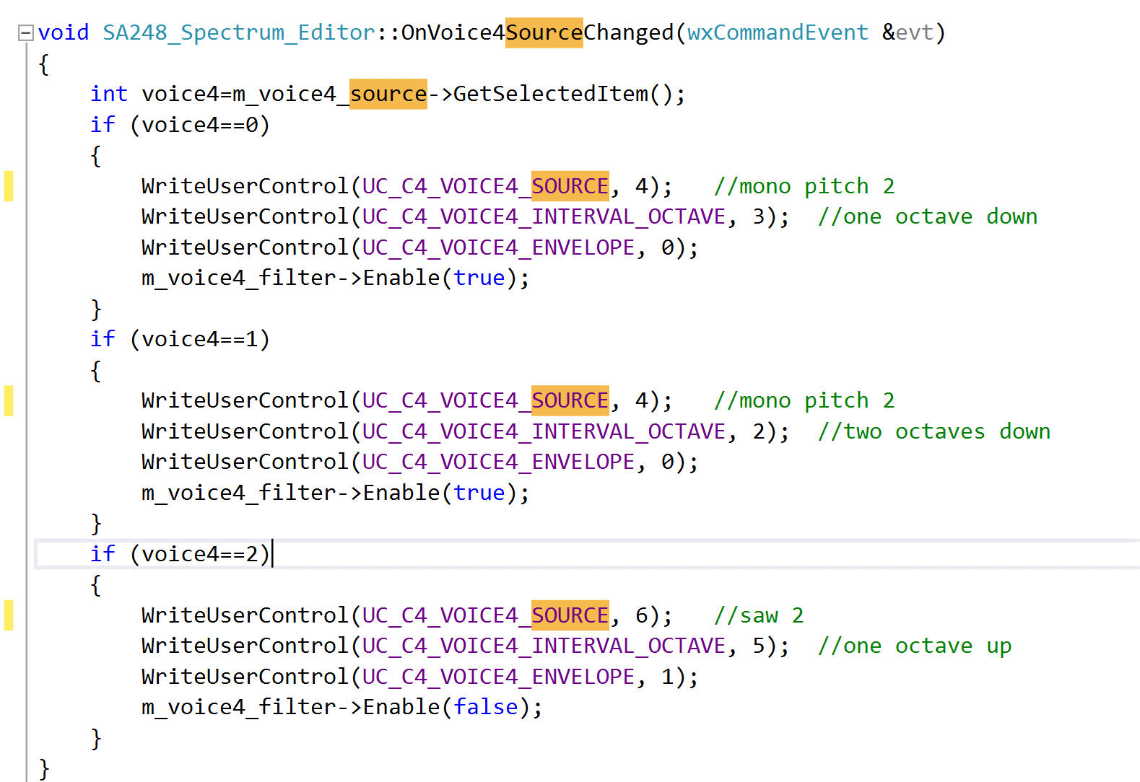
UC_SPECTRUM_ENVELOPE1_INPUT | envelope1_input | Envelope 1 Input | 89 | 0 | 1 | 0 | dropdown | 0 = Audio Input 1, 1 = Audio Input 2
UC_SPECTRUM_ENVELOPE2_SENSITIVITY | envelope2_sensitivity | Envelope 2 Sensitivity | 90 | 0 | 254 | 127 | slider
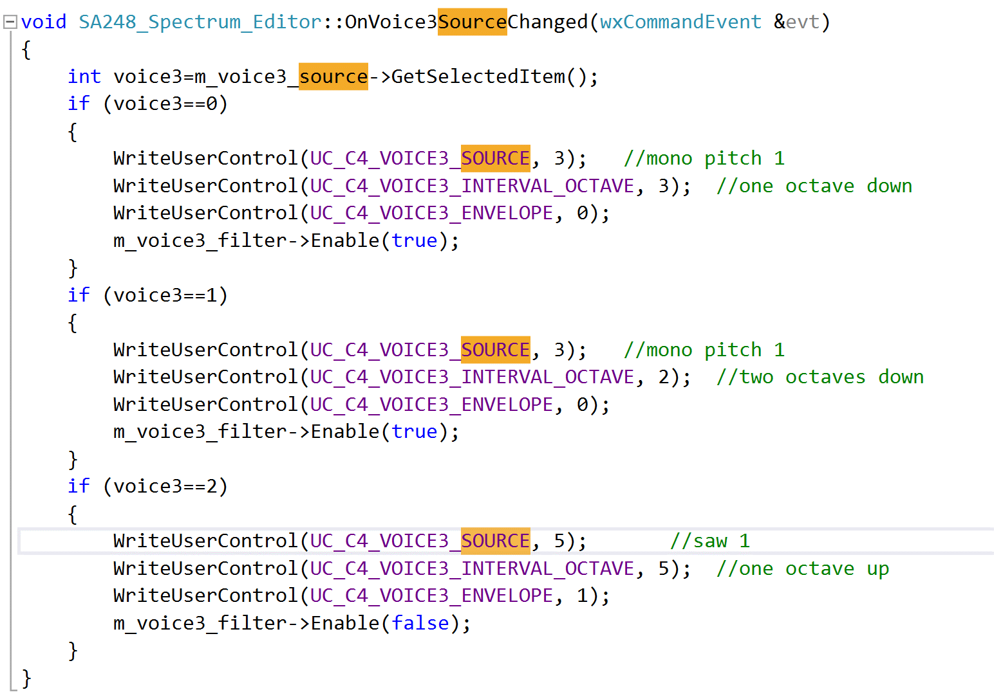
UC_SPECTRUM_ENVELOPE2_SPEED | envelope2_speed | Envelope 2 Speed | 91 | 0 | 254 | 127 | slider
UC_SPECTRUM_ENVELOPE2_GATE | envelope2_gate | Envelope 2 Gate | 92 | 0 | 254 | 0 | slider
UC_SPECTRUM_ENVELOPE2_TYPE | envelope2_type | Envelope 2 Type | 93 | 0 | 12 | 1 | dropdown | *see list of envelope types ->
UC_SPECTRUM_ENVELOPE2_INPUT | envelope2_input | Envelope 2 Input | 94 | 0 | 1 | 0 | dropdown | 0 = Audio Input 1, 1 = Audio Input 2
UC_SPECTRUM_MPS1_FILTER | mono_pitch_filter1 | Mono Pitch Shifter 1 Filter | 99 | 0 | 254 | 127 | slider
UC_SPECTRUM_MPS2_FILTER | mono_pitch_filter2 | Mono Pitch Shifter 2 Filter | 100 | 0 | 254 | 127 | slider
UC_SPECTRUM_LFO_SPEED | lfo_speed | LFO Speed | 101 | 0 | 254 | 127 | slider
UC_SPECTRUM_LFO_ENV_TO_SPEED | lfo_env_to_speed | LFO Envelope to Speed | 102 | 0 | 254 | 0 | slider
UC_SPECTRUM_LFO_ENV_TO_DEPTH | lfo_env_to_depth | LFO Envelope to Depth | 103 | 0 | 254 | 0 | slider
UC_SPECTRUM_LFO2_PHASE | lfo_2_phase | LFO 2 Phase Offset | 104 | 0 | 254 | 127 | slider
UC_SPECTRUM_LFO2_MULT | lfo_2_multiply | LFO 2 Multiply | 105 | 0 | 10 | 0 | dropdown | *see list of LFO 2 Multipliers ->
UC_SPECTRUM_LFO_SHAPE | lfo_shape | LFO Shape | 106 | 0 | 13 | 0 | dropdown | *see list of LFO Shapes
UC_SPECTRUM_LFO_RESTART | lfo_restart | LFO Restart on Env 1 Trigger | 107 | 0 | 1 | 0 | switch | 0 = Off, 1 = On
UC_SPECTRUM_LFO_BEAT_DIV | lfo_beat_division | Tap Tempo Beat Division | 108 | 0 | 5 | 2 | dropdown | *see list of tap tempo beat divisions - >
UC_SPECTRUM_PITCH_SOURCE | pitch_detect_input | Pitch Detector Input | 148 | 0 | 1 | 0 | dropdown | *see list of pitch detector inputs - >
UC_SPECTRUM_PITCH_LOW | pitch_detect_low_note | Pitch Detector Low Note | 149 | 0 | 20 | 15 | dropdown | *see list of pitch detector low notes - >
UC_SPECTRUM_PITCH_HIGH | pitch_detect_high_note | Pitch Detector High Note | 150 | 0 | 31 | 0 | dropdown | *see list of pitch detector high notes - >
UC_SPECTRUM_KNOB1_ASSIGN | knob1_assign | Control 1 Knob Assign | 151 | 0 | 47 | 3 | dropdown | *see list of knob assignment choices - >
UC_SPECTRUM_KNOB2_ASSIGN | knob2_assign | Control 2 Knob Assign | 152 | 0 | 47 | 4 | dropdown | *see list of knob assignment choices - >
UC_SPECTRUM_EXT1_UC | ext1_destination | External Control 1 Destination | 153 | 0 | 47 | 2 | dropdown | *see list of external control choices ->
UC_SPECTRUM_EXT1_SOURCE | ext1_source | External Control 1 Source | 154 | 0 | 3 | 0 | dropdown | 0 = Off, 1 = Control X, 2 = Control Y, 3 = Remote Expression
UC_SPECTRUM_EXT1_MIN | ext1_min | External Control 1 Min | 155 | 0 | 254 | 0 | slider
UC_SPECTRUM_EXT1_MAX | ext1_max | External Control 1 Max | 156 | 0 | 254 | 254 | slider
UC_SPECTRUM_EXT2_UC | ext2_destination | External Control 2 Destination | 157 | 0 | 47 | 3 | dropdown | *see list of external control choices ->
UC_SPECTRUM_EXT2_SOURCE | ext2_source | External Control 2 Source | 158 | 0 | 3 | 0 | dropdown | 0 = Off, 1 = Control X, 2 = Control Y, 3 = Remote Expression
UC_SPECTRUM_EXT2_MIN | ext2_min | External Control 2 Min | 159 | 0 | 254 | 0 | slider
UC_SPECTRUM_EXT2_MAX | ext2_max | External Control 2 Max | 160 | 0 | 254 | 254 | slider
UC_SPECTRUM_EXT3_UC | ext3_destination | External Control 3 Destination | 161 | 0 | 47 | 4 | dropdown | *see list of external control choices ->
UC_SPECTRUM_EXT3_SOURCE | ext3_source | External Control 3 Source | 162 | 0 | 3 | 0 | dropdown | 0 = Off, 1 = Control X, 2 = Control Y, 3 = Remote Expression
UC_SPECTRUM_EXT3_MIN | ext3_min | External Control 3 Min | 163 | 0 | 254 | 0 | slider
UC_SPECTRUM_EXT3_MAX | ext3_max | External Control 3 Max | 164 | 0 | 254 | 254 | slider
UC_SPECTRUM_EXT_ENABLE | ext_control_enable | External Control Enable | 165 | 0 | 1 | 0 | switch | 0 = Off, 1 = On
UC_SPECTRUM_EXT_MIDI_CLOCK | lfo_midi_clock_sync | LFO Sync To MIDI Clock | 166 | 0 | 1 | 0 | switch | 0 = Off, 1 = On
UC_SPECTRUM_PITCH_MODE | pitch_detect_mode | Pitch Detector Mode | 167 | 0 | 1 | 0 | dropdown | 0 = Faster Tracking, 1 = Higher Accuracy
UC_SPECTRUM_MIX1_ENABLE | mix1_enable | Mix 1 Enable | 168 | 0 | 1 | 1 | switch | 0 = Off, 1 = On
UC_SPECTRUM_MIX2_ENABLE | mix2_enable | Mix 2 Enable | 169 | 0 | 1 | 1 | switch | 0 = Off, 1 = On
UC_SPECTRUM_ROUTING_OPTION | routing_option | Input Routing Option | 170 | 0 | 3 | 0 | dropdown | 0 = Auto, 1 = Single, 2 = Dual, 3 = Loop
UC_SPECTRUM_ON_OFF | on_off_status | Preset Recall On/Off | 171 | 0 | 1 | 1 | switch | 0 = Off, 1 = On
UC_SPECTRUM_TEMPO | lfo_tempo | LFO Tap Tempo | 255 | 0

